Sheet1
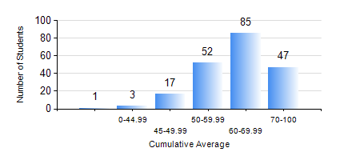
 |  |  | KWAME NKRUMAH UNIVERSITY OF SCIENCE AND TECHNOLOGY, KUMASI Department of Telecommunication Engineering

 |  |  | BSC. TELECOMMUNICATION ENG.

 |  |  | COMPREHENSIVE RECORD OF EXAMINATION RESULTS

 |  |  | RESULTS OF YEAR 2 SECOND SEMESTER, 2021/2022 ACADEMIC YEAR

 | Sn | Course Code |  | Course Name | Credit Hours | Min. Mark | Max. Mark | Avg. Mark | Std. Dev. | No. Passed | No. Trailed | No. (Df) | No. (I) | No. (I*) | No. Tagged(I,I*,Df) | Total
 | 0. |  |  |  |  |  |  | 0 | 0 | 0 | 0 | 0 | 0 | 0 | 0 | 5
 | 1. | ECON 152 |  | INTRODUCTORY ECONOMICS II | 2 | 40 | 88 | 68 | 11.75 | 59 | 0 | 0 | 0 | 0 | 0 | 59
 | 2. | EE 272 |  | DIGITAL SYSTEMS | 3 | 20 | 96 | 65 | 17.45 | 191 | 9 | 0 | 0 | 0 | 0 | 200
 | 3. | EE 288 |  | ELECTRICAL MEASUREMENT AND INSTRUMENTATION | 3 | 14 | 92 | 58 | 17.5 | 170 | 29 | 0 | 1 | 0 | 1 | 200
 | 4. | FC 182 |  | FRENCH FOR COMMUNICATION II | 2 | 40 | 89 | 62 | 10.95 | 141 | 0 | 0 | 0 | 0 | 0 | 141
 | 5. | MATH 252 |  | CALCULUS WITH SEVERAL VARIABLES | 4 | 47 | 88 | 69 | 8.64 | 200 | 0 | 0 | 0 | 0 | 0 | 200
 | 6. | TE 262 |  | ELECTROMAGNETIC FIELDS | 3 | 12 | 93 | 51 | 14.11 | 166 | 33 | 0 | 1 | 0 | 1 | 200
 | 7. | TE 292 |  | TELECOMMUNICATION LAB II | 2 | 60 | 86 | 73 | 6.61 | 199 | 0 | 1 | 0 | 0 | 1 | 200

